Map
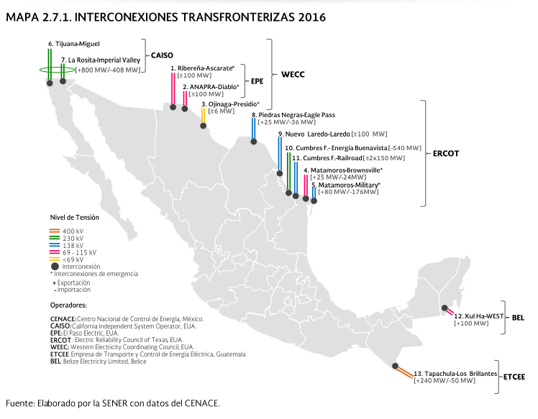
 | USA
No. | Utility/Area | MW
1 | Ribereña-Ascarate | 100
2 | ANAPRA-Diablo* | 100
3 | Ojinaga-Presidio* | 6
4 | Matamoros-Brownsville* | 25
5 | Matamoros-Military* | 176
6&7 | Tijuana-Miguel/La Rosita-Imperial Valley | 800
8 | Piedras Negras-Eagle Pass | 36
9 | Nuevo Laredo-Laredo | 100
10 | Cumbres F. -Energía Buenavista | 540
11 | Cumbres F. -Railroad | 300
Total |  | 2183

 | Belice & Guatemala
No. | Utility/Area | MW
12 | Xul Ha-WEST | 100
13 | Tapachula-Los Brillantes | 240
Total |  | 340

